All Regions
Title | Star Prime Sports Equipment

This worksheet compares West Coast Sales personnel statistics detailing departmental payroll and employee numbers for each division.
 | Benefit Cost | 0.3

Personnel Cost Data
All Regions

 | Department | #Employees | Payroll | Benefits | Personnel Costs
 | Marketing | 19 | £1,197,000.00 | £1,087.00 | £1,470.00
 | Sales | 22 | £1,003,500.00 | £928.00 | £888.00
 | R and D | 9 | £412,000.00 | £660.00 | £975.00
 | Administration | 11 | £740,000.00 | £1,275.00 | £1,030.00
 | Total Personnel | 64 | £3,457,500.00 | £4,315.00 | £4,688.00

If Function
=if(logical_test,value_if_true,value_if_false)
Star Prime Sports Equipment
Customer Sales - Last Year

Comparison operators:
> Greater Than
>= Greater than or equal to
< Less than
<= Less than or equal to
= Equals
<> Not equal to
 | Quantity | Price | Total
Golf Balls | 100 | £2.00 | 200 | unpaid | 250
Footballs | 201 | £10.00 | 1809 | paid | okay
Handballs | 300 | £8.00 | 2160 | unpaid | 2210
Cricket balls | 400 | £5.00 | 1800 | paid | okay
Total Quantity | 1001

Average > 20000 Free Shipping
Status 2 5% discount
else 4% discount
 |  |  |  |  |  |  |  | Free | Percent
Company | Status | Qtr 1 | Qtr 2 | Qtr 3 | Qtr 4 | Total | Average | Shipping? | Discount
SportsCity | 2 | 15,568 | 16,523 | 17,658 | 18,952 | 68,701 | 17,175 | no
Athlete's Dream | 3 | 21,356 | 22,547 | 24,598 | 23,691 | 92,192 | 23,048 | yes
Sports Emporium | 1 | 22,571 | 23,681 | 22,698 | 24,995 | 93,945 | 23,486 | yes
SportsWorld | 4 | 14,568 | 15,423 | 16,532 | 15,248 | 61,771 | 15,443 | no
Tennis Joint | 3 | 10,652 | 9,865 | 10,156 | 11,564 | 42,237 | 10,559 | no
Athlete's World | 2 | 20,364 | 18,596 | 19,532 | 20,348 | 78,840 | 19,710 | no
Sportsman's Den | 1 | 21,457 | 20,567 | 22,365 | 22,056 | 86,445 | 21,611 | yes
World of Sports | 3 | 15,862 | 16,538 | 17,568 | 18,563 | 68,531 | 17,133 | no
Specialty Sports | 4 | 18,745 | 19,865 | 20,361 | 20,455 | 79,426 | 19,857 | no

Total |  | 161,143 | 163,605 | 171,468 | 175,872 | 672,088
Average |  | 17,905 | 18,178 | 19,052 | 19,541 | 74,676

Sheet3
Several Conditional Formatting rules have been applied to this worksheet.
How can you work out which rules have been applied and where?
a)Click on the Conditional Formatting button in the Styles group and select More Rules.
b)Right click in an area of the worksheet that contains conditional formatting and select Format Cells.
c)Click on the Conditional Formatting button in the Styles group and select Manage Rules.
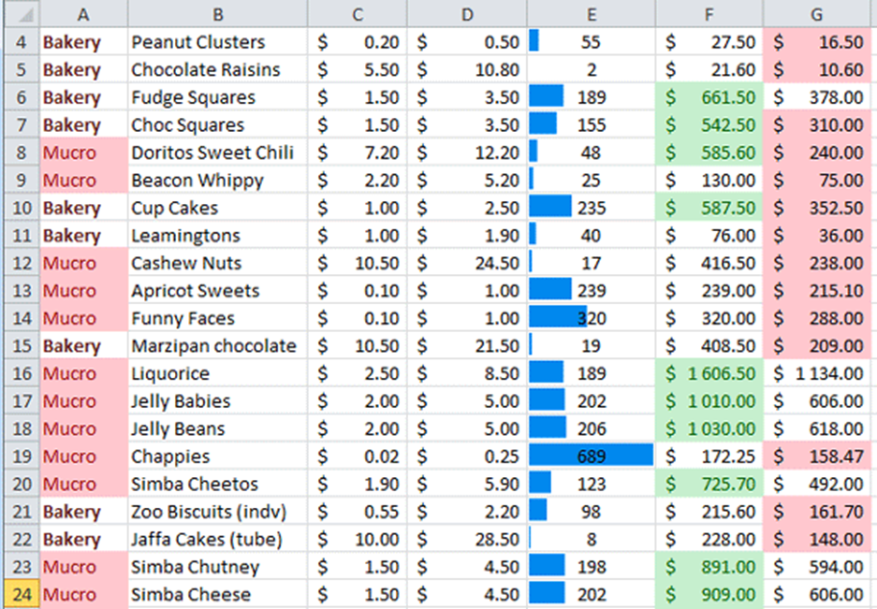
d)None of the options listed above are correct.

Charts
Charts

Sales 2020 |  |  |  |  |  | Total Sales Per Year |  |  |  | Total Sales 2016

 | Uk | France | Germany | Total | Marketing exp/Sales | Year | UK Sales | France Sales | UK Sales Staff |  | Total sales
January | 20.0 | 106.2 | 91.3 | 217.5 | 2% | 2011-01-01 | 276 | 899 | 20 | UK | 770.9
February | 61.7 | 103.2 | 91.6 | 256.5 | 5% | 2012-01-01 | 315 | 887 | 28 | France | 936.2
March | 82.2 | 101.1 | 91.7 | 275.0 | 2% | 2013-01-01 | 338 | 854 | 32 | Germany | 1193.5
April | 120.5 | 98.7 | 92.3 | 311.5 | 8% | 2014-01-01 | 282 | 643 | 36 | Total | 2900.6
May | 69.6 | 95.4 | 93.6 | 258.6 | 4% | 2015-01-01 | 499 | 579 | 34
June | 55.5 | 92.3 | 93.8 | 241.6 | 5% | 2016-01-01 | 622 | 534 | 31
July | 57.7 | 80.0 | 95.5 | 233.2 | 7% | 2017-01-01 | 645 | 637 | 33
August | 58.9 | 62.3 | 97.4 | 218.6 | 2% | 2018-01-01 | 701 | 745 | 34
Total sales 2016
September | 60.0 | 54.6 | 101.5 | 216.1 | 4% | 2019-01-01 | 754 | 822 | 37
October | 61.5 | 49.9 | 107.9 | 219.3 | 5% | 2020-01-01 | 771 | 936 | 45
November | 60.7 | 47.3 | 115.0 | 223.0 | 7%
December | 62.6 | 45.2 | 121.9 | 229.7 | 8%
Total | 770.9 | 936.2 | 1193.5 | 2900.6

Sales 2016/2017
Total Sales Per Year

Sparkline
"A condensed chart that
visualises a trend"
Sparklines
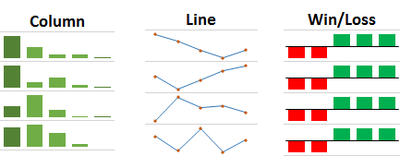

 | Jan | Feb | Mar | Apr | May | Jun | Jul | Aug | Sep | Oct | Trend
Region A | 27 | 9 | 28 | 25 | 25 | 26 | 28 | 5 | 16 | 18
Region B | 17 | 10 | 6 | 25 | 22 | 7 | 8 | 26 | 28 | 25
Region C | 25 | 28 | 13 | 19 | 29 | 6 | 26 | 30 | 7 | 24
Region D | 8 | 5 | 9 | 5 | 4 | 5 | 22 | 11 | 15 | 13
Region E | 27 | 22 | 20 | 22 | 5 | 14 | 5 | 4 | 7 | 10
Region F | 30 | 13 | 9 | 24 | 23 | 16 | 18 | 6 | 8 | 30
Region G | 12 | 12 | 11 | 16 | 11 | 9 | 10 | 27 | 28 | 19
Region H | 3 | 13 | 21 | 19 | 15 | 21 | 28 | 5 | 28 | 13
Region I | 2 | 22 | 15 | 18 | 7 | 27 | 29 | 2 | 16 | 16
Total | 151 | 134 | 132 | 173 | 141 | 131 | 174 | 116 | 153 | 168

